Report
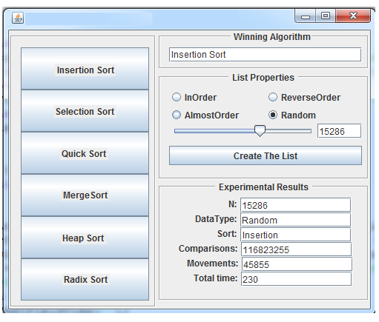
Experimental Results | ArraySize | 50K elements
List Property: InOrder | Comparisons | Movements | Total Time
Insertion Sort
Selection Sort
Quick Sort
Merge Sort
Heap Sort
Radix Sort

List Property: ReverseOrder | Comparisons | Movements | Total Time
Insertion Sort
Selection Sort
Quick Sort
Merge Sort
Heap Sort
Radix Sort

List Property: AlmostOrder | Comparisons | Movements | Total Time
Insertion Sort
Selection Sort
Quick Sort
Merge Sort
Heap Sort
Radix Sort

List Property: RandomOrder | Comparisons | Movements | Total Time
Insertion Sort
Selection Sort
Quick Sort
Merge Sort
Heap Sort
Radix Sort

